Sheet1
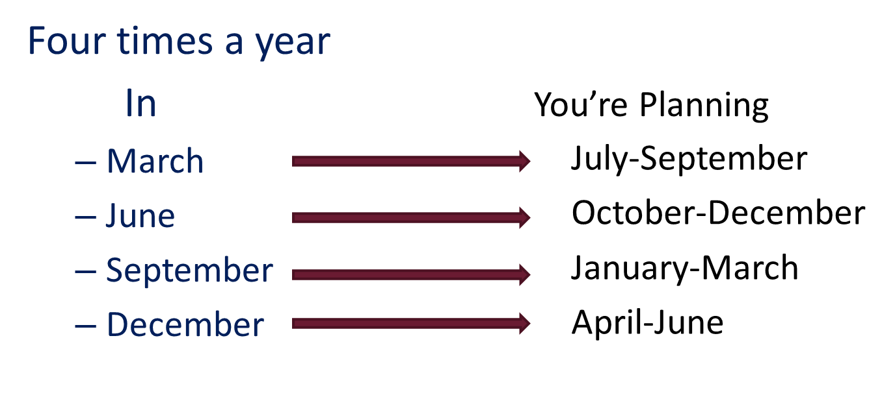
While in this month | (90) Formulate a plan of Execution for this month | (60) Establish support and receive Collateral for this month | (30) Execute the Plan created two months prior
January | March | February | January
February | April | March | February
March | May | April | March
April | June | May | April
May | July | June | May
June | August | July | June
July | September | August | July
August | October | September | August
September | November | October | September
October | December | November | October
November | January | December | November
December | February | January | December

